Tabelle1
Base Configurator V1.0

 | Please use drop down menu to fill in the lines
Housing Height (1)

Housing Color (2)

Material of the Top Cover (3)

Spikes Support Color (4)

Spikes Color and Material incl. Spikes Shoes(5)

Material and Depth of the Tonearm Base (6)

Tonearm Cut-Out (7)

Further remarks

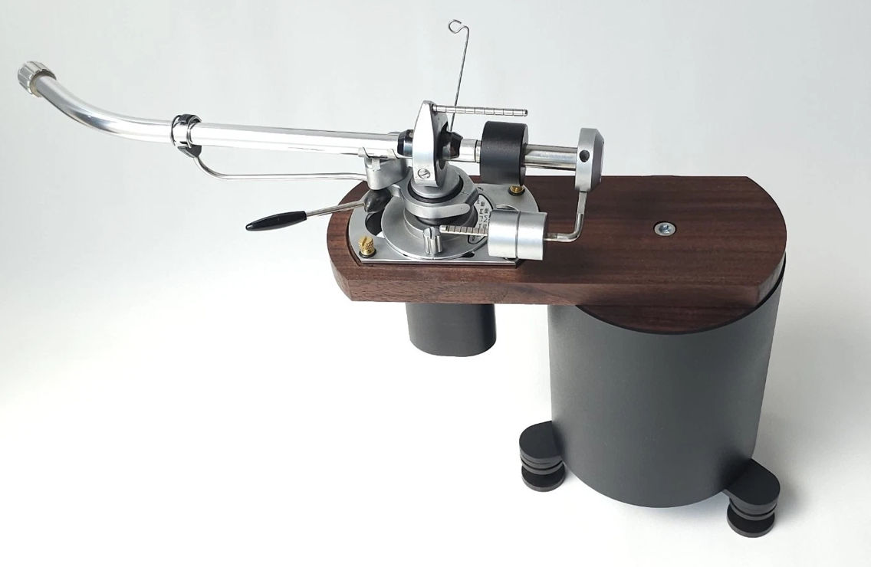

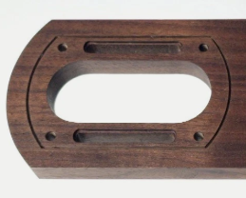
6

7
3
2

1

4
5

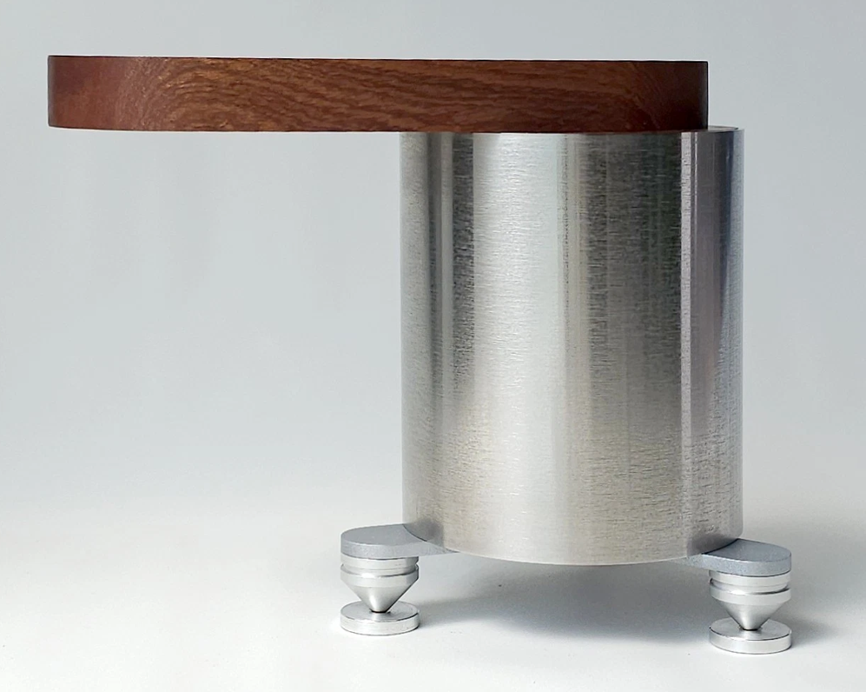

6
3
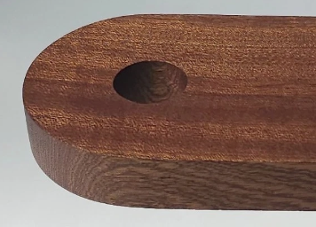
7

2

1

4
5

